Sensor 0
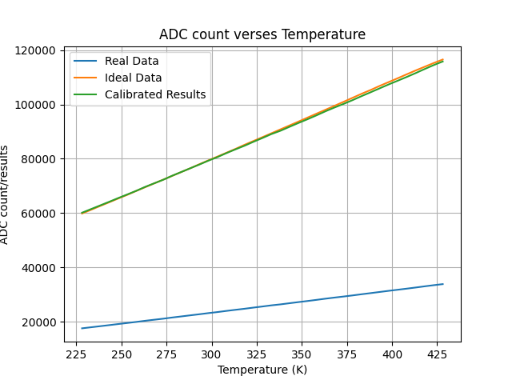
Temperature (Kelvins) | Real Sensor (ADC Count) | Ideal Sensor (ADC Count) | Real(Calibrated) Sensor (ADC Count)
228.14999999999998 | 17577.0 | 59839 | 60135
233.14999999999998 | 17969.0 | 61204 | 61476
238.14999999999998 | 18358.0 | 62592 | 62807
243.14999999999998 | 18748.0 | 63958 | 64141
248.14999999999998 | 19149.0 | 65346 | 65513
253.14999999999998 | 19536.0 | 66689 | 66837
258.15 | 19928.0 | 68135 | 68178
263.15 | 20356.0 | 69524 | 69643
268.15 | 20741.0 | 70913 | 70960
273.15 | 21120.0 | 72302 | 72257
278.15 | 21558.0 | 73692 | 73755
283.15 | 21955.0 | 75103 | 75113
288.15 | 22358.0 | 76492 | 76492
293.15 | 22755.0 | 77970 | 77850
298.15 | 23172.0 | 79383 | 79277
303.15 | 23555.0 | 80774 | 80587
308.15 | 23983.0 | 82186 | 82052
313.15 | 24387.0 | 83599 | 83434
318.15 | 24774.0 | 85107 | 84758
323.15 | 25202.0 | 86521 | 86222
328.15 | 25611.0 | 87935 | 87621
333.15 | 26037.0 | 89371 | 89079
338.15 | 26393.0 | 90808 | 90297
343.15 | 26816.0 | 92244 | 91744
348.15 | 27232.0 | 93681 | 93167
353.15 | 27632.0 | 95139 | 94536
358.15 | 28053.0 | 96598 | 95976
363.15 | 28491.0 | 98035 | 97474 | The Maximum error between the calibrated data and ideal data) is 981 ADC counts. At a temperature of 408.15 K
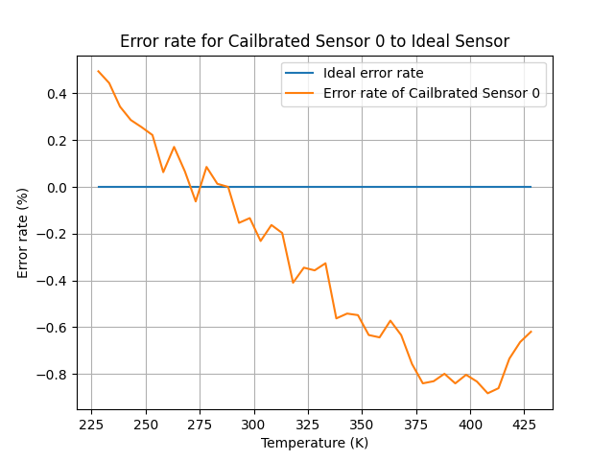
368.15 | 28897.0 | 99494 | 98863
373.15 | 29284.0 | 100952 | 100187
378.15 | 29689.0 | 102434 | 101573
383.15 | 30121.0 | 103915 | 103051
388.15 | 30534.0 | 105306 | 104464
393.15 | 30957.0 | 106809 | 105911
398.15 | 31377.0 | 108218 | 107348
403.15 | 31776.0 | 109626 | 108713
408.15 | 32180.0 | 111076 | 110095
413.15 | 32600.0 | 112501 | 111532
418.15 | 33039.0 | 113871 | 113034
423.15 | 33459.0 | 115236 | 114471

All Sensors
